Feuil1
Cellular network deployment : radio planning and dimensioning

Radio planning | Base station | Power of the Base station | 46 | dBm
 |  | Antenna gain 1 | 17 | dB |  |  | Loss | Urban 1 | Rural 2 | Uplink (from Mobile to Antenna) : 1) Sensitivity of reception of Antenna = EIRP + (Antenna gain + Antenna Reciver Diversity + Antenna Low Received powerAmplifier - Antenna Cables and connectors loss - Antenna Duplexer) - U_PathLoss - Shadowing - Fading； 2) EIRP = Power of the mobile + Mobil Antenna Gain - Mobil Internal loss = 21 + 0 - 0 = 21dBm； Then : 1) U_PathLoss = 21 + (17 + 5 + 2 - 3 - 2) - 8 - 2 + 120 = 150dB 2) R_PathLoss = 21 + (17 + 5 + 2 - 3 - 2) - 4 - 2 + 120 = 154dB
 |  | Cables and connectors loss | 3 | dB |  |  | Shadowing | 8 | 4
 |  | Duplexer | 2 | dB |  |  | Fading | 2 | 2
 |  | Receiver diversity | 5 | dB
 |  | Low received power amplifier | 2 | dB |  |  |  | Urban | Rural
 |  | Sensisivity of reception 1 | -120 | dBm |  |  | Uplink Path-Loss | 150 | 154 | Downlink (from Antenna to Mobile) : 1) Sensitivity of reception of Mobil = EIRP + (Mobil antenna Gain - Mobil internal loss) - U_PathLoss - Shadowing - Fading 2) EIRP = Power of Base Station + Antenna Gain + Antenna Cables and connector loss + Antenna Duplexer) = 46 + 17 - 3 - 2 = 58 dBm 3) Sensitivity of reception 2 = -105dBm = 58dBm + (0 - 0) - U_PathLoss - 8dB - 2 dB Then : 1) U_PathLoss = 58 + 105 - 8 - 2 = 153dB 2) R_PathLoss = 58 + 105 - 4 - 2 = 157dB
 |  |  |  |  |  |  | Downlink path-loss | 153 | 157
 | Mobile | Power of the mobile | 21 | dBm
 |  | antenna gain 2 | 0 | dB |  |  |  |  | 259
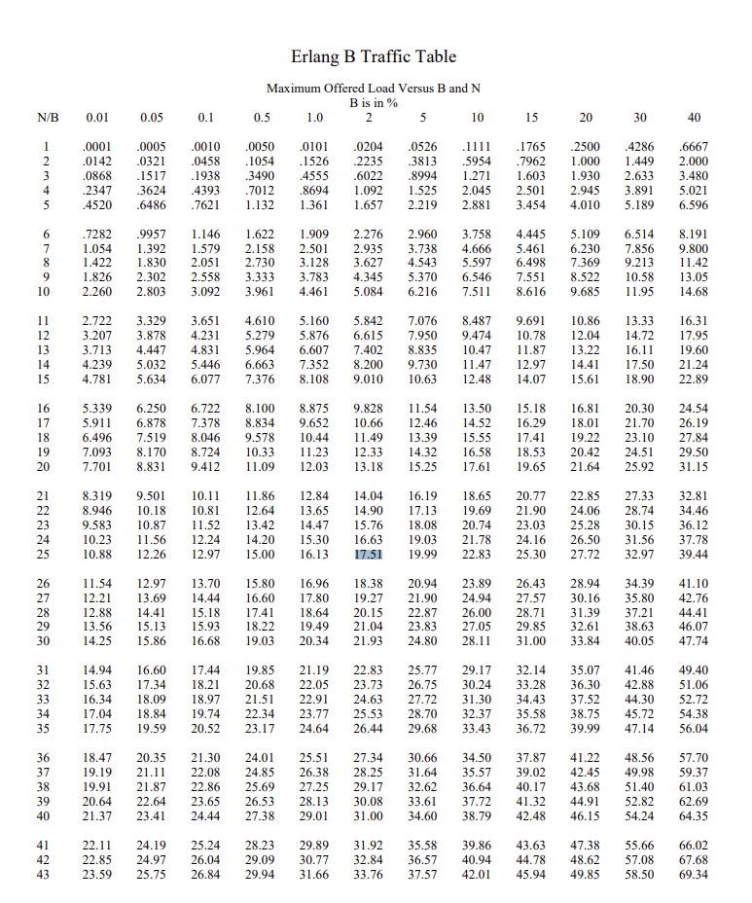
 |  | Internal loss | 0 | dB |  |  | EIRP_of_Mobile | 141 | dBm
 |  | Sensitivity of reception 2 | -105 | dBm |  |  | Total_Gain1 | 19 | dBm
 |  |  |  |  |  |  | EIRP_of_Station | 163 | dBm
Dimensionning | Demand | Number of clients in urban area | 175000 | Clients |  |  | Total_Gain2 | 0 | dBm
 |  | Number of clients in rural area | 1750 | Clients
 |  | Generated traffic per client | 0.1 | Erlang |  |  | Generated Traffic per Client : 1) Total area (km²) = Rural Zone + Urban Zone = 5176 + 105 = 5281 km² 2) Total ajusted traffic (Erlang) =Total considered area * Propagation coefficient * Ratio Signal/Interference (C/I)= 5281 * 3,5 * 1,14 = 21071,9 Erlang 3) Average trafic (km²) = Total ajusted traffic / Total area = 21071,9 / 5281 = 3,99 Erlang 4) Total trafic in urban area (Erlang) = Average trafic / km² * Urban Zone = 3,99 * 105 = 418,95 Erlang 5) Total trafic in rural area (Erlang) = Average trafic / km² * Rural Zone = 3,99 * 5176 = 20652,24 Erlang Then : Generated traffic per client (in Erlang) = (Total trafic in urban area + Total trafic in rural area) / (Number of clients in urban area + Number of clients in rural area) = (418,95 + 20652,24) / (175000+1750) = 0,1192146535 Erlang = 0,1 Erlang
 |  | Considered rural area | 5176 | km2
 |  | Considered urban area | 105 | km2
 |  | Propagation coefficient | 3.5
 | Ressources | Ratio of Signal / Interference C/I | 1.14 | sans unité
 |  | Frequency reuse pattern size | 1
 |  | Bandwidth | 5 | 10 | 15 | 20
 |  | Number of radio resources per cell | 25 | 50 | 75 | 100
Number of cells - Urban Zones
 |  | Traffic in Erlang per cell | 17.51 | 40.26 | 63.9 | 87.97 | with table Erlang B | with excel it is possible to illustrate the results with a graphic
 |  | Traffic per client | 0.166667 | 0.166667 | 0.166667 | 0.166667 | info in PPT(with 1/6 per hour)
 |  | Number of clients per cell | 105.06 | 241.56 | 383.4 | 527.82
 |  | Blockage probability | 2% | 2% | 2% | 2% | info in PPT

Joint Dimensionning & Planning | Urban zones | Number of cells | 1666 | 725 | 457 | 332 |  | with excel it is possible to illustrate the results with a graphic
 |  | Area of one cell | 0.063025210084 | 0.14482758621 | 0.22975929978 | 0.31626506024
 |  | Radius | 155.75113056 | 236.10202016 | 297.37921198 | 348.89895162 | Area of one cell = (3*(R/1000)² * sqrt(3))/2
 |  | Urban path-loss | 84.735092273 | 91.058489606 | 94.56587122 | 96.994488257 | 113 + 35 log10 (Radius/1000)
Number of cells - Rural Zones
 |  | Optimised base station power | -23 | -16 | -13 | -11
 |  | Optimised mobile power | -45 | -38 | -35 | -33

 | Rural zones | Number of cells | 17 | 8 | 5 | 4 |  | with excel it is possible to illustrate the results with a graphic
 |  | Area of one cell | 304.47058824 | 647 | 1035.2 | 1294
 |  | Radius | 10825.46923 | 15780.69758 | 19961.178968 | 22317.276541
 |  | Urban path-loss | 136.20563555 | 141.9344169 | 145.5065166 | 147.20244182
 |  | Optimised base station power | 26 | 31 | 35 | 37
 |  | Optimised mobile power | 4 | 9 | 13 | 15 | 105.06

Fixed costs - Capex
 |  | Costs in k€ | 5 MHz | 10 MHz | 15 MHz | 20 MHz |  | with excel it is possible to illustrate the results with a graphic
 | Fixed costs | 2.6 GHz Frequency licence cost | 2500 | 5000 | 7500 | 10000 | Capex=Number of cells(Urban+Rural)×Installation Cost per Base Station
 |  | 23 GHz point-to-point cost | 100 | 100 | 100 | 100
 |  | Capex | 25245 | 10995 | 6930 | 5040

Income/Outcome - 10 years | 5MHz-Profitability | k€ | Fixed costs | Opex | Income | Profitability | Fixed costs（first year）= Capex+2.6 GHz Frequency License Cost+23 GHz Point-to-Point Cost
 |  | Year 1 | 27845 | 8415 | 3535 | -32725 | Fixed costs (except first year)= 2.6 GHz Frequency License Cost+23 GHz Point-to-Point Cost
 |  | Year 2 | 0 | 8415 | 3535 | -37605
 |  | Year 3 | 0 | 8415 | 3535 | -42485 | Opex = Operating Investments (electricity, maintenance, etc.) = 5k€
5MHz-Profitability
 |  | Year 4 | 0 | 8415 | 3535 | -47365 | Income = Price od client suscription × total client = 20× total client
 |  | Year 5 | 0 | 8415 | 3535 | -52245
 |  | Year 6 | 0 | 8415 | 3535 | -57125 | Profitability(first year) = Income - Fixed Costs - Opex
 |  | Year 7 | 0 | 8415 | 3535 | -62005 | Profitability(except first year) = Income - Opex + Profitability(last year)
 |  | Year 8 | 0 | 8415 | 3535 | -66885
 |  | Year 9 | 0 | 8415 | 3535 | -71765
 |  | Year 10 | 0 | 8415 | 3535 | -76645

10MHz-Profitability
Income/Outcome - 10 years | 10MHz-Profitability | k€ | Fixed costs | Opex | Income | Profitability
 |  | Year 1 | 16095 | 3665 | 3535 | -16225
 |  | Year 2 | 0 | 3665 | 3535 | -16355
 |  | Year 3 | 0 | 3665 | 3535 | -16485
 |  | Year 4 | 0 | 3665 | 3535 | -16615
 |  | Year 5 | 0 | 3665 | 3535 | -16745
 |  | Year 6 | 0 | 3665 | 3535 | -16875
 |  | Year 7 | 0 | 3665 | 3535 | -17005
 |  | Year 8 | 0 | 3665 | 3535 | -17135
 |  | Year 9 | 0 | 3665 | 3535 | -17265
 |  | Year 10 | 0 | 3665 | 3535 | -17395
15MHz-Profitability
Income/Outcome - 10 years | 15 MHz- Profitability | k€ | Fixed costs | Opex | Income | Profitability
 |  | Year 1 | 14530 | 2310 | 3535 | -13305
 |  | Year 2 | 0 | 2310 | 3535 | -12080
 |  | Year 3 | 0 | 2310 | 3535 | -10855
 |  | Year 4 | 0 | 2310 | 3535 | -9630
 |  | Year 5 | 0 | 2310 | 3535 | -8405
 |  | Year 6 | 0 | 2310 | 3535 | -7180
 |  | Year 7 | 0 | 2310 | 3535 | -5955
 |  | Year 8 | 0 | 2310 | 3535 | -4730
 |  | Year 9 | 0 | 2310 | 3535 | -3505
20MHz-Profitability
 |  | Year 10 | 0 | 2310 | 3535 | -2280

Income/Outcome - 10 years | 20 MHz-Profitability | k€ | Fixed costs | Opex | Income | Profitability
 |  | Year 1 | 15140 | 1680 | 3535 | -13285
 |  | Year 2 | 0 | 1680 | 3535 | -11430
 |  | Year 3 | 0 | 1680 | 3535 | -9575
 |  | Year 4 | 0 | 1680 | 3535 | -7720
 |  | Year 5 | 0 | 1680 | 3535 | -5865
 |  | Year 6 | 0 | 1680 | 3535 | -4010
 |  | Year 7 | 0 | 1680 | 3535 | -2155
 |  | Year 8 | 0 | 1680 | 3535 | -300
 |  | Year 9 | 0 | 1680 | 3535 | 1555
 |  | Year 10 | 0 | 1680 | 3535 | 3410

